Tenant or Customer Report
 |  |  |  |  |  | CUSTOMER INCIDENT / ACCIDENT REPORT

COURT STREET CENTER |  |  |  | LOCATION OF ACCIDENT
 |  |  |  | Street Address
 |  |  |  | City
250 W. Court Street, Suite 200E |  |  |  | Lot--Row--Space
Cincinnati, OH 45202 |  |  |  | Operation Type (self park/valet)
(513) 241-0415 Fax (513) 241-0497 |  |  |  | Date of Incident |  |  |  |  | Time:
 |  |  |  | Date reported to PCA
Police Report #: |  |  |  | Duration of Stay in Lot
Date of Report: |  |  |  | Any Injuries |  |  |  | Yes /// No
Officer's Name: |  |  |  | Was Driver Sent for Drug Test |  |  |  | Yes /// No

#1 CSC TENANT(S) INVOLVED IN INCIDENT / ACCIDENT (Attach Employee Statement(s))
(1) TENANT NAME:
BUILDING SPACE TENANT LEASES:
DESCRIBE INCIDENT:
DESCRIBE INJURY:
#2 CSC PROPERTY INVOLVED IN INCIDENT / ACCIDENT (Attach Employee Statement(s))
Property Damage:
Describe Incident:

#3 VISITOR OR OTHER PARTY INVOLVED IN INCIDENT / ACCIDENT (Attach Visitor Statement(s))
VISITOR NAME: |  |  |  |  | VEHICLE YEAR: |  |  | COLOR
STREET ADDRESS: |  |  |  |  |  | TAG #: |  | MAKE/MODEL
CITY/STATE/ZIPCODE: |  |  |  |  |  | VIN #:
PHONE: (DAY) |  | (EVENING) |  |  |  | DL STATE |  | LICENSE #
INSURANCE CO: |  |  |  |  |  | POLICY #
PHONE # |  |  |  | ADDRESS:

VISITOR 'S DESCRIPTION OF INCIDENT &/OR DAMAGE
DESCRIBE DAMAGE:
DESCRIBE INJURY:
DESCRIBE ANY OTHER PROPERTY DAMAGE:

WITNESSES (Attach Witness Statement(s)) |  |  |  |  |  | WITNESSES (Attach Witness Statement(s))
Witness |  |  |  |  |  | Witness
NAME: |  |  |  |  |  | NAME:
ADDRESS: |  |  |  |  |  | ADDRESS:

PHONE #: |  |  |  |  |  | PHONE #:

Employee Signature |  |  | Visitor Signature |  |  |  |  | Manager Receiving Report

Thank you for completing this form. This form is used to document reported incidents of damage, injury or complaint.
Provision or completion of this form in no way affects CSC's liability or absence of liability in the reported incident.
CSC will evaluate your report and will contact you if any further information is needed. |  |  |  |  |  |  |  | Created 06/21/16
Give Tenant or Visitor a Copy of this page.
Midway Business Center Use Only
Date of Incident
CSC DETAILED DESCRIPTION OF INCIDENT/ACCIDENT & DAMAGE |  |  |  |  |  |  |  | REPORT DATE:

VISITOR DETAILED DESCRIPTION OF INCIDENT/ACCIDENT & DAMAGE

LIST ALL PERSONS INVOLVED IN ACCIDENT: CSC & CUSTOMERS (I.E. DRIVERS, PASSENGERS, PEDESTRIANS)
VEHICLE | NAME |  |  | PHONE # |  |  | INJURY

List of all PCA personnel at the incident scene:

Mark location of damage on vehicle diagram |  |  |  |  |  | VEHICLE

 |  |  |  |  |  |  |  |  |  | D

Mark location of damage on vehicle diagram |  |  |  |  |  | VEHICLE

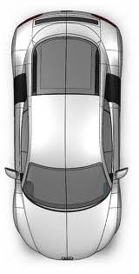

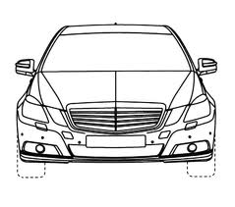
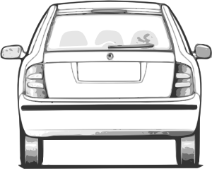

 |  |  |  |  |  |  |  |  | Revision 1 05/31/12

vehicle sketches
Mark location of damage on vehicle diagram | VEHICLE
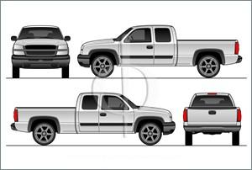

 |  | Revision 1 5-31-12

Mark location of damage on vehicle diagram | VEHICLE

Mark location of damage on vehicle diagram | VEHICLE

 |  | Revision 1 5-31-12

